Tracker
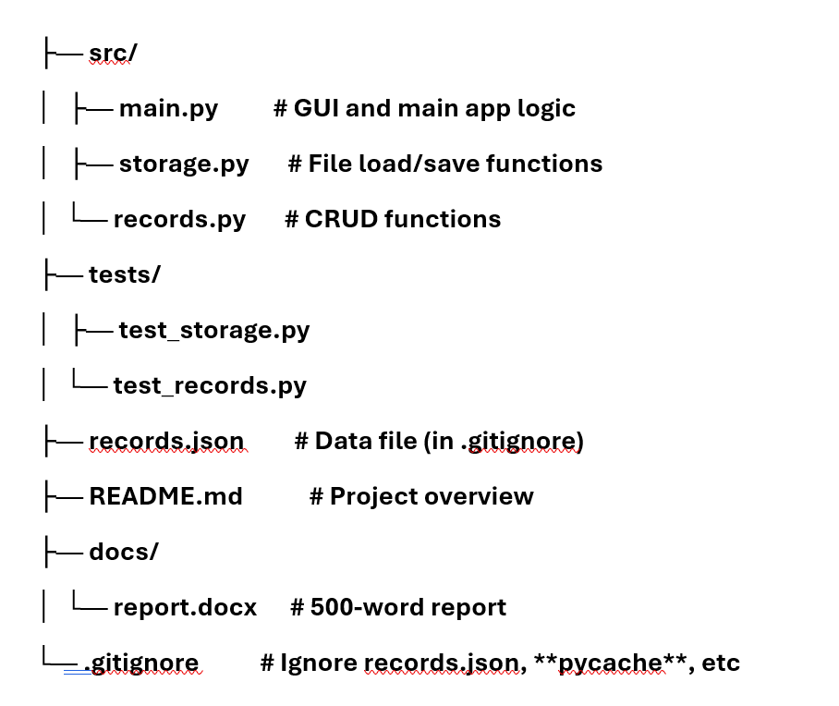
Category | File/Folder | Contents/Role | Tasks to do | Status | Responsible | Notes
Root | record_management/ | Project root, contains all files/folders | Initialize Git, zip for submission | Done |  | This is the top-level folder for the entire project. It contains all subfolders and files, making it easy to zip for submission (e.g., `record_management.zip` to the VLE). All Git operations (e.g., `git init`, commits) are run from here.

Source Code | src/ | Core app logic | Set up folder structure | Done |  | Houses the core Python modules for the application. This keeps executable code separate from tests and docs, allowing easy imports and packaging.
 | main.py | GUI and app entry point (Tkinter) | Implement GUI (buttons, forms) | Not started |  | Test CRUD calls,GUI and main app logic, - The entry point of the application. It sets up the Tkinter GUI (e.g., main window, buttons for Create/Delete/Update/Search, forms for input, and a list/treeview for displaying records). - Handles app lifecycle: Loads records from storage on startup, binds CRUD functions from `records.py`, calls save on close (e.g., via `root.protocol("WM_DELETE_WINDOW", on_close)`). - Example: Imports from `records` and `storage`, then creates UI elements like `tk.Button(command=lambda: create_record_gui())`.
 | storage.py | Load/save records.json | Code JSON I/O functions | Not started |  | File load/save functions,- Manages persistence of the `records` list to/from a file (e.g., `records.json` using `json.load/dump`). - Includes functions like `load_records()` (checks if file exists with `os.path.exists`, returns empty list if not) and `save_records(records)` (writes on app close). - Handles errors (e.g., file corruption) with try/except for robustness.
 | records.py | CRUD functions (search, create, etc.) | Write pure CRUD functions | Not started |  | Validate records, CRUD functions, - Contains pure functions for CRUD operations on the `records` list (list of dicts). - Functions: `search_records(records, id=None, type=None)` (filters by ID/Type), `create_record(records, data, type)` (appends with auto-ID), `update_record(records, id, data)` (merges updates), `delete_record(records, id)` (removes by ID). - Ensures referential integrity (e.g., for Flight records linking Client_ID/Airline_ID).

Tests | tests/ | Unit tests for modules | Set up folder | Done |  | Unit Tests Folder
 | test_storage.py | Tests for storage.py | Write CRUD test cases | Not started |  | - Tests file I/O functions from `storage.py` (e.g., `test_load_empty_file_returns_list()`, `test_save_load_roundtrip()` using `tempfile` for mock files). - Verifies edge cases like non-existent files or invalid JSON.
 | test_records.py | Tests for records.py | Tests CRUD functions from `records.py` |  |  | - Tests CRUD functions from `records.py` (e.g., `test_create_auto_id()`, `test_search_by_type()`, `test_delete_nonexistent_id_returns_same_list()`). - Uses mock `records` lists to assert outputs without file dependencies.
Data File | records.json | JSON storage for records,data file | Initialise empty file | Not started |  | Add to .gitignore,- Purpose: The persistent storage file for the `records` list (e.g., serialized as JSON: `[{"ID": 1, "Type": "Client", ...}]`). Loaded on app start, saved on close. - Added to `.gitignore` to avoid committing live/sensitive data (e.g., real client info). Include a sample `records_sample.json` in Git if needed for demos. Not part of the initial commit structure—created dynamically by the app

Documentation | README.md | Project overview in Markdown | Write setup instructions | Not started |  | Explains setup, running the app, and structure. - Contents: Sections like "Overview" (project description), "Setup" (e.g., `python src/main.py`), "Features" (CRUD ops), "Testing" (`python -m unittest`), and "Submission" (zip instructions). Use GitHub-flavored Markdown for formatting.
 | docs/ | Non-code docs | Create Folder | Done |  | Stores non-code documents like reports, keeping them organised and separate from code.
 | report.docx | 500-word report | Draft sections, add visuals, proof read, check referencing. Add word count | Not started |  | - A Word document (~500 words) describing the application: architecture (e.g., GUI → CRUD → Storage), challenges (e.g., GUI validation), screenshots of the app, how it meets requirements (e.g., record types, file persistence), and team roles

Get Config | .gitignore | Ignore files for Git | GitList records.json, __pycache__ | Not Started |  | A Git configuration file that tells Git to ignore temporary/sensitive files, preventing them from being committed (e.g., avoids uploading live data or Python cache). - Contents: Lines like: ``` records.json __pycache__/ *.pyc *.pyo .DS_Store

Assignment
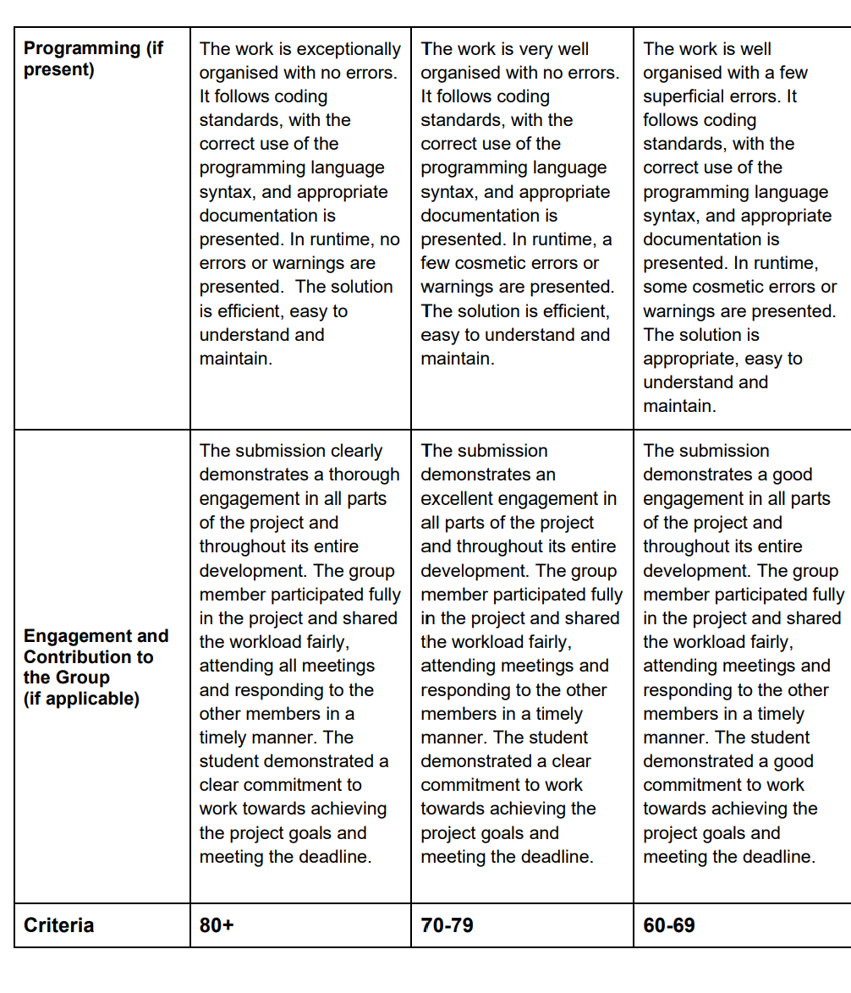
Due: Monday, 13 October 2025, 11:59 PM Record Management System Project This group project is to design a record management system for a specialist travel agent. The system will manage three types of records: 1. Client records, 2. Flight Records and 3. Airline Company records. You will need to create a system that allows the user via a Graphical User Interface to do the following: Create a Record Delete a Record Update a Record Search and Display a Record The internal storage of the records will be a list of dictionaries. For example, records:list = [{},{}]. This will need to be stored on the file system as either binary (pickle), JSON or JSONL (JSON lines). You will need to save to the file system when the application is closed. The application will need to check for the existence of the records when it starts. The record format should be: Client Record: | 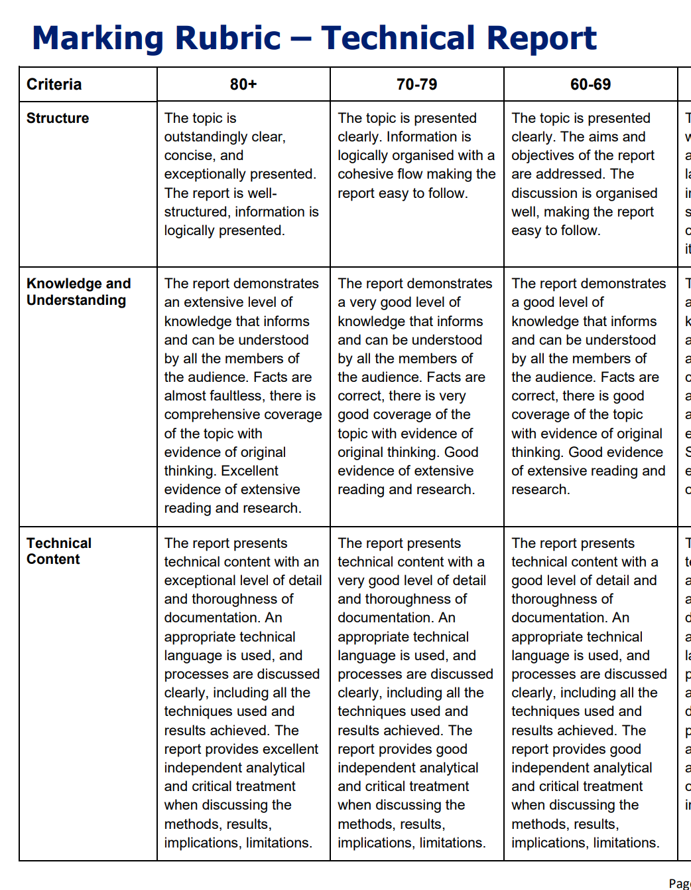
ID: int Type: str (type of record) Name: str Address Line 1: str Address Line 2: str Address Line 3: str City: str State: str Zip Code: str Country:str Phone Number: str Airline Record: ID: int Type: str (type of record) Company Name: str Flight Record: Client_ID:int Airline_ID: int Date: date/time Start City End City You will need to write unit tests for each module in your code. Each member of the team must have one or more of the following roles: GUI / UX designer Programmer Project Manager Tester | 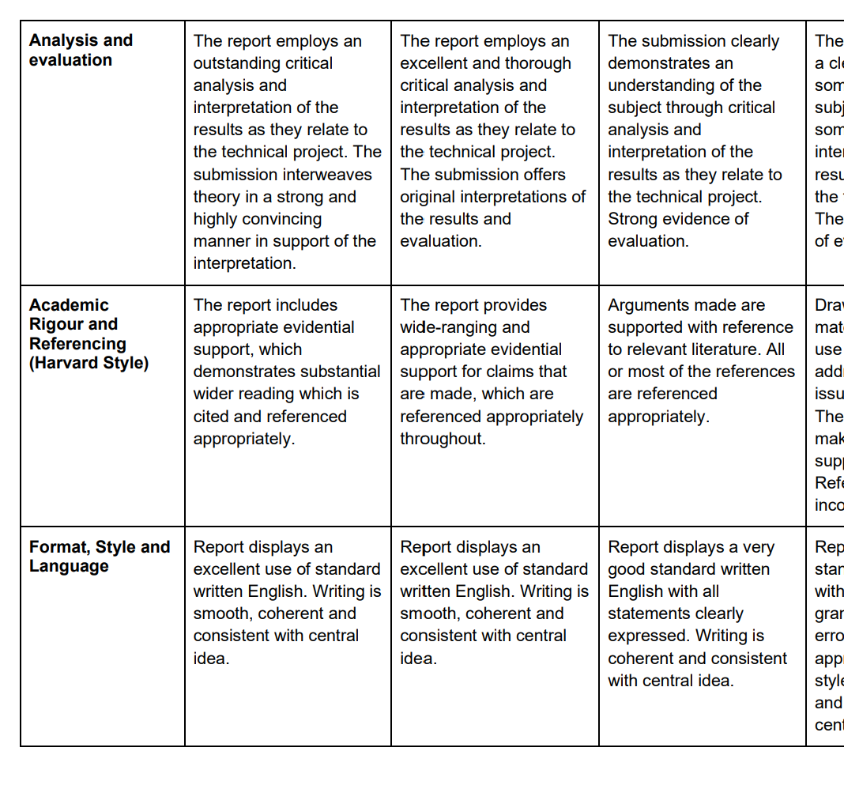
You must use source control for example GitHub, Bitbucket, or Gitlab, and the lecturer must have access to the code. Commit messages must follow the standard outlined in: Guidelines for Commits | PyInstaller 6.6.0 Documentation The repo must be submitted to the VLE as a zip file. Each member must submit identical code. The group must write a 500 word report which describes the application. A project skeleton is available to use. To prepare for this assignment Use the End of Module Module Assignment Group Discussion Forum to collaborate and communicate with your group members. In addition, you can use Microsoft Teams for asynchronous or synchronous communication (as a University of Liverpool student, you have access to a copy of the Microsoft Office suite. Review the module's resources, references, and the scenario above. Prepare any tool that your group would use to carry out this assignment. Estimate the work that needs to be done to complete this assignment and divide it among the members of your group. You can divide the work in many ways. You can divide the work by task, by sections of the reports, or by any other means that your group finds suitable for your needs. It may be helpful to keep a record of what you have decided. Your final submission must include the Meeting Minutes of all your virtual meetings. Guidelines and Expectations When Working in Groups Here you will find important guidelines on effective group work, recommended communication methods, and progress reporting.
Meeting Minutes Group members should establish at least three mini-deadlines/milestones/”meeting” dates throughout the development of their project. A “meeting” would typically be represented by a mini deadline by which each member would be expected to report on their task completion progress (see the guidelines on effective group work). Thus, group work would be typically asynchronous, without live meetings, although students can meet in real time should they wish to. In the latter case, group members should respect and accommodate members who cannot or do not want to meet in real time. At the end of each mini-deadline/milestone/”meeting”, a member of the group must finalise the "Meeting Minutes", using the following document. All members of the group must agree on the minutes. The minutes of all meetings must be included in the final submission. Meeting Minutes Template Peer Assessment Peer assessment provides a structured learning process for students to critique and give feedback to each other on their work. The process helps students develop lifelong skills in assessing and providing feedback to others and equips them with self-assess skills and improving their own work. As part of this group activity, you are asked to be involved in a peer moderation: you are required to assess yourself and each group member's contribution to the group product. You can download the Peer Group Assessment Form and submit it in the Peer Assessment Submission area. Peer assessment will be used to moderate/adjust the group grade. Each student will be able to see their group grade and their peer moderated/adjusted grade. Students won’t be able to see how other group members assessed their contribution. Assessment Length The maximum assessment length will relate to the final report of 500 words. As per the assessment length policy, penalties will be applied to assessments which exceed this length. Click here to view the additional assessment length guidance.

